Info
 | Q125

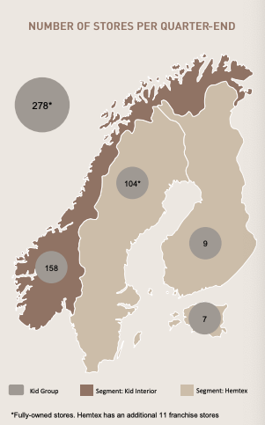

Press releases
19.05.25: Jon Brannsten, styremedlem, kjøper 1 000 aksjer til 149,60
19.02.25: Anders Lorentzon, sheriff over Hemtex, kjøper 4 950 aksjer, eier 4 950
11.02.25: Marianne Fulford blir ny CEO, hun vil tre inn 1.mai 2025
03.12.24: Kid selger varehus og kontorbygg i Vserige til STB nordic real estate. Solgt for 600 mill
22.11.24: Kaja Myhra kjøper 600 aksjer, eier 600 etter dette
12.11.24: Mads Kigen, CFO, kjøper 1 500 aksjer, eier 2 000 etter dette
01.11.24: Andere Fjeld slutter som CEO

